PRD

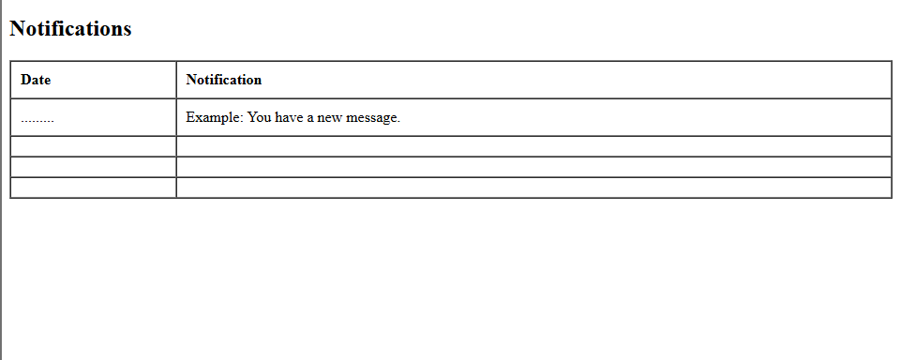
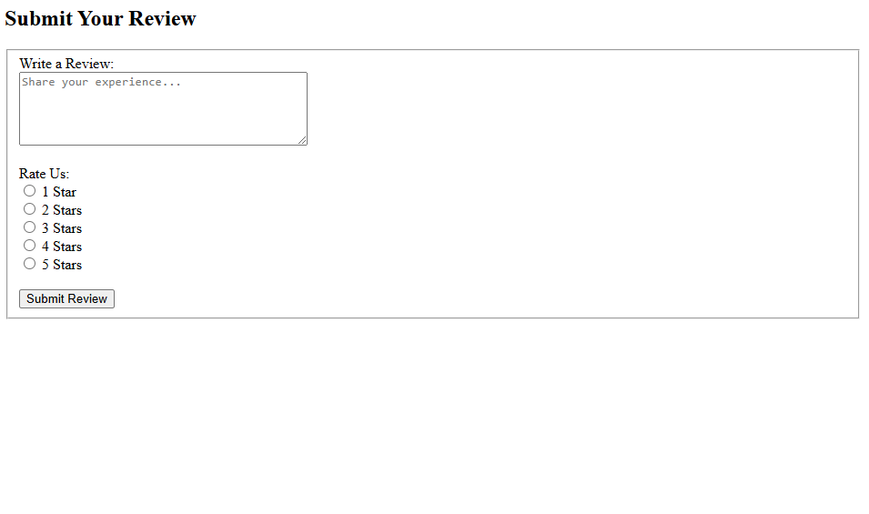
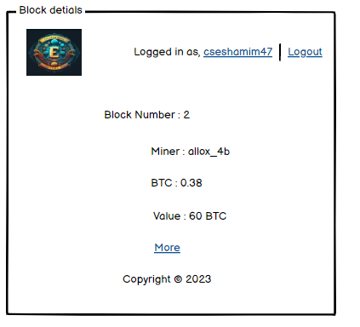
Product Requirement Document (PRD) - Version: 1.0

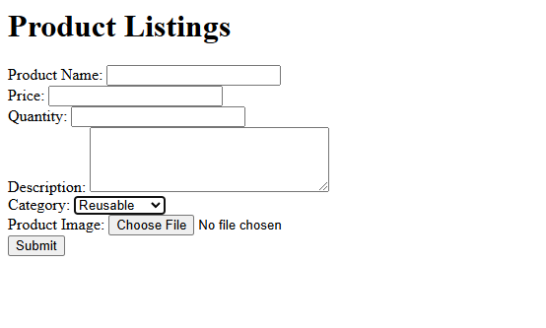
Template Name |  | Green Marketplace
Goals & Objective |  | We all want to make eco-conscious choices. The goal of this website is to provide a secure and efficient platform for individuals and businesses to access and purchase environmentally friendly products and services. From this website, users can: - Discover and purchase eco-friendly products and services with transparent pricing. - Access a transparent ledger showcasing all activities and transactions. - View detailed vendor and product certifications. - Engage with educational content to learn about sustainability. - Track their cumulative environmental impact through a dedicated dashboard.
Client Information |  | This PRD is designed for organizations or stakeholders interested in fostering sustainability and supporting the development of eco-friendly platforms.
Product Type |  | Web Application
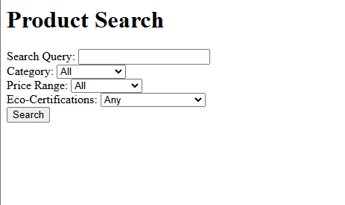
Domain |  | Environment and Sustainability.
Access Layers |  | Consumer, Vendor, Admin
Design Required |  | Yes
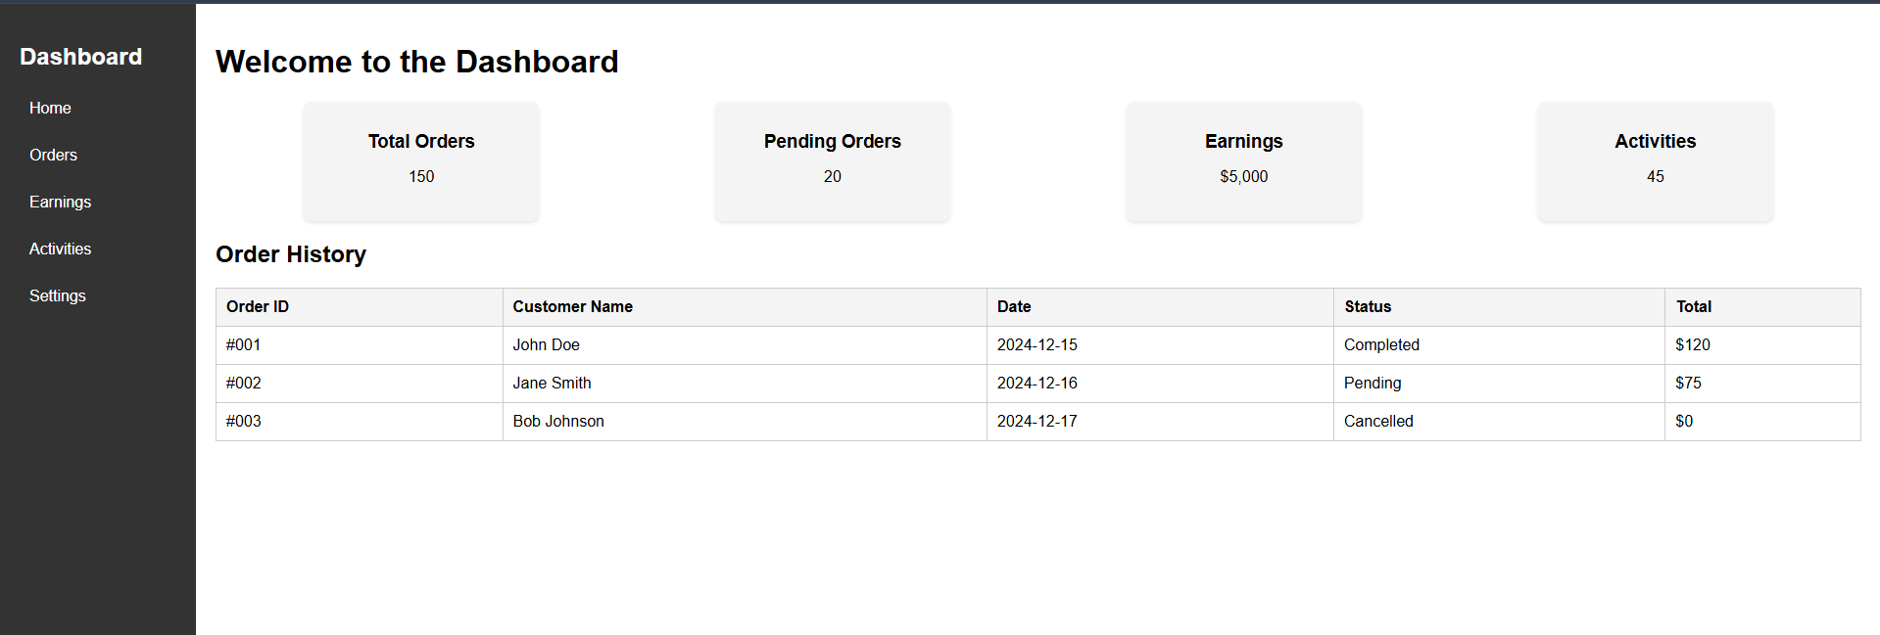

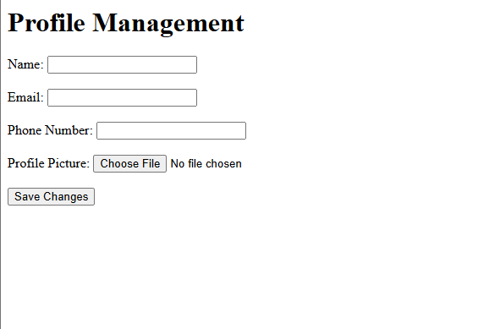
Phase | Item No | Specification [Role] | User Story | Acceptance Criteria | UI Screen / Wireframe | Tags
Feature: 1 |  | Auth Feature
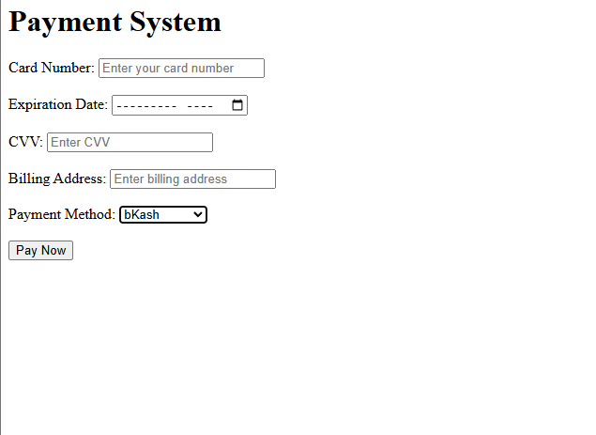
Feature: 2 |  | Dashboard
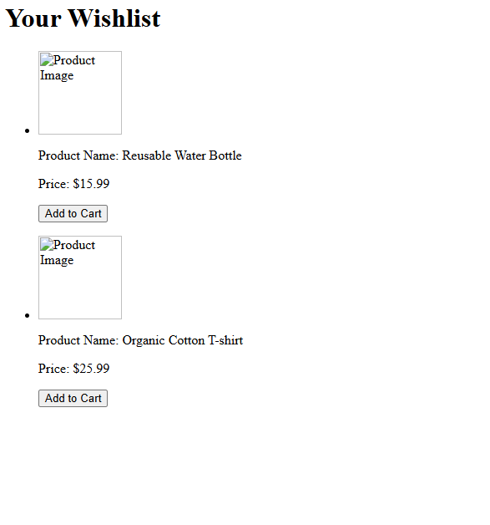
Feature: 3 |  | Product Listings
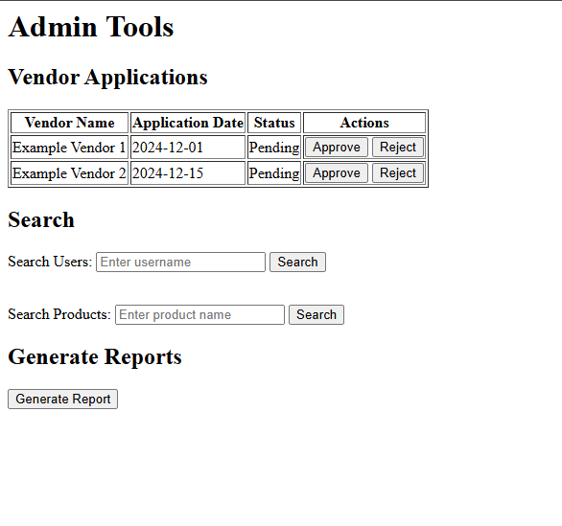
Feature: 4 |  | Product Search
Feature: 5 |  | Order Management
Feature: 6 |  | Profile Management
Feature: 7 |  | Wishlist
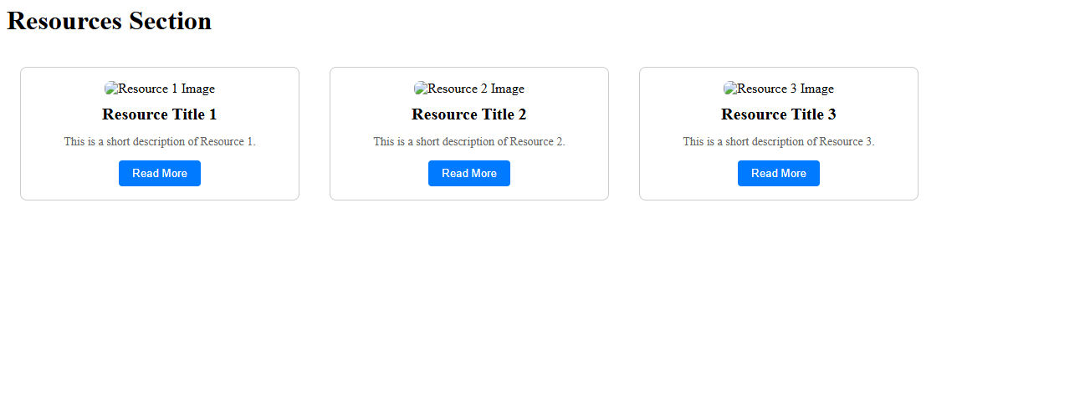
Feature: 8 |  | Reviews & Ratings

Feature: 9 |  | Notifications
Feature: 10 |  | Admin Tools

Feature: 11 |  | Resources Section
Feature: 12 |  | Payment System

